Logic
Object Description |  | Need a program to update any table provided in the selection screen from excel dynamically and should include the updated table entries into TR if it is provided.
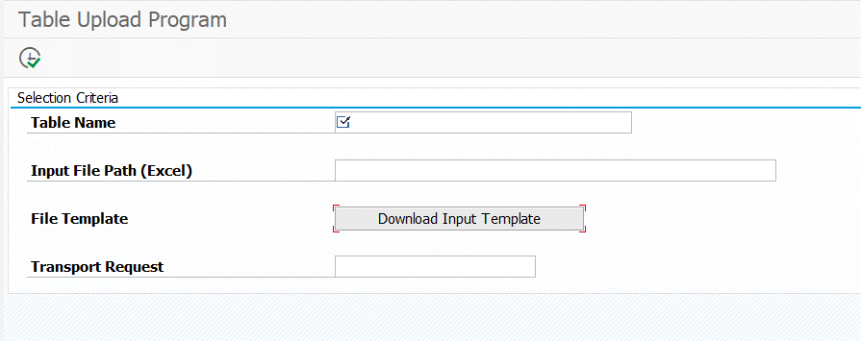

Selection screen
1 | Table name - Mandatory, Input File Path (Excel), File Template (Push Button), Transport request

Logic for Report
 | File template - Logic
1 | Upon clicking the push button "Download Input template", it should ask for a path and save an excel file in local machine.
2 | The excel will be of the Structure of the Table provided in Selection Screen with HEADER as field names and specifying max characters allowed (take from Domain of each field).
3 | Name of the excel of file should be, "<TABLE_NAME>_template.xls"

 | On Execution of program
1 | Fetch the data from excel provided in the selection screen.
2 | Update all the entries available in the dynamic table provided the selection screen (the logic should be dynamic, it should work for any table provided in the selection screen).
3 | Use Enqueue and Dequeue while updating the table entires
4 | After the successful update, Display the updated entries in ALV.

 | TR Logic
1 | If Transport Request is not provided in the selection screen. Display a popup to confirm
2 | Selecting YES will save the entries in system but not in Transport Request.

3 | NO -> put Transport Request in Selection Screen and Execute-> it will save entries in Table as well as in Transport Request.
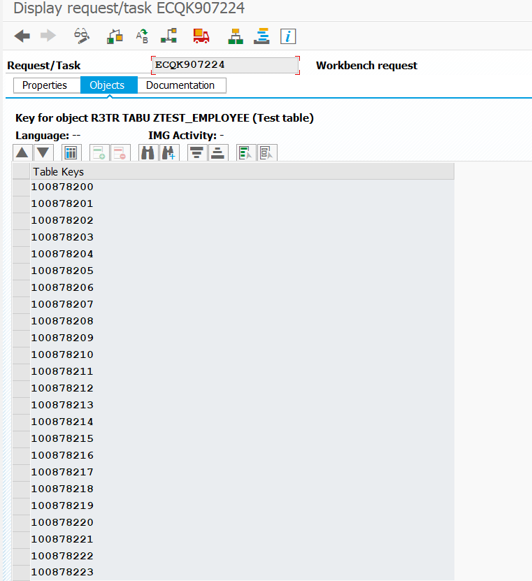

Functionality:

ALV
Selection Criteria
Table Name | Mandatory | Single selection
Input File Path (Excel) |  | Single selection
File Template |  | Single selection
Transport Request |  | Single selection



Case – 1: Output – 1
Selection Method: | Table Name | ZTEST_EMPLOYEE
 | Input File Path (Excel) | Excel File path
 | Transport Request | Provide the TR/Task

Expected Result: | Table entreis ZTEST_EMPLOYEE has to updated with the data available in the excel and updated entries should be displayed as ALV

 | ALV display with 4 fields(all fields of the table): | MANDT
 |  | EMP_NO
 |  | EMP_FIRST_NAME
 |  | EMP_LAST_NAME

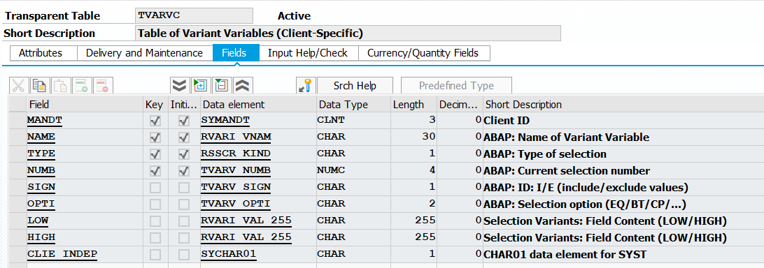
Case – 2: Output – 2
Selection Method: | Table Name | TVARVC
 | Input File Path (Excel) | Excel File path
 | Transport Request

Expected Result: | Table entreis ZTEST_EMPLOYEE has to updated with the data available in the excel and updated entries should be displayed as ALV

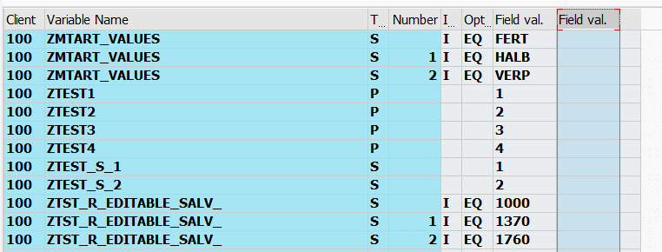
 | ALV display with 4 fields(all fields of the table): | MANDT
 |  | NAME
 |  | TYPE
 |  | NUMB
 |  | SIGN
 |  | OPTIN
 |  | LOW
 |  | HIGH
 |  | CLIE_INDEP

